11C_T-773(compound)
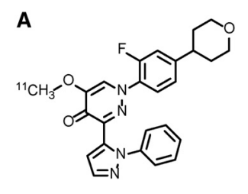
Property name | Property Value
trivial name | [11C]T773
DOI | 10.1016/j.nucmedbio.2014.09.005
Molecular formula | C2411CH23FN4O3

Chemical and Physical Properties
Property name | Property Value
Molecular weight | 445.48
XlogP3 | 4.2
Hydrogen Bond Donar Count | 0
Hydrogen Bond Acceptor Count | 2
Rotatable Bond Count | 5
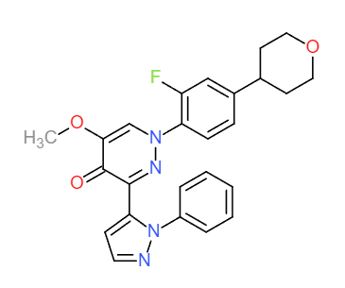
Exact Mass | 445.19
Monoisotopic Mass | 445.19
Topological Polar Surface Area | 66.73
Heavy Atom Count | 33
Formal Charge | 0
Complexity
Isotope Atom Stereocentor
Defined Atom Stereocenter Count
Undefined Atom Stereocenter Count
Defined Bond Stereocenter Count
Undefined Bond Stereocenter Count
Covalently-Bonded Unit Count
Compound Is Canonicalized
 |  |  | No. of Nitrogen and Oxygen Atoms: 7
 |  |  | No. of Rings: 5
BioAssay Results
Activity Value, nM | Activity Type | BioAssay Name | BioAssay AID | Substance SID | DOI (References other than Pubchem)
12.2 | Kd | rat,caudate-putamen |  |  | 10.1016/j.nucmedbio.2014.09.005
4.7 | Kd | rat,nucleus accumbens |  |  | 10.1016/j.nucmedbio.2014.09.005

